letter
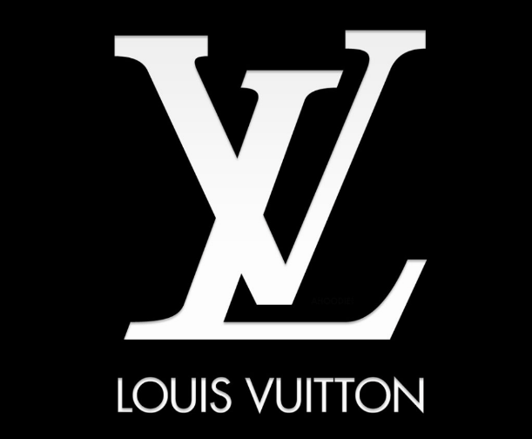
My Excel Story: A letter to Investors / Stakeholders for LVMN

Dear Investors& Stakeholders
Whenever the word"fashion" is mentioned, the things in every's mind may be self-presentation or gorgeous clothes and bags. Still, I think the
ultimate goal of fashion should be culture and presentation. The purpose of this letter is to convince investors and shareholders to believe in
Louis Vuitton and their fashion and to do something for the brand together.

Firstly, Louis Vuitton is a French fashion brand. Founded by Louis Vuitton in Paris in 1854. A century later, Louis vuitton luggage and
leather goods field one of the best brand, and now the Louis vuitton brand has not only limited to the design and sale of high-grade leather
and bags, but to become involved in fashion, jewelry, sunglasses, shoes, luggage, handbags, jewelry, watches, watches, wine, perfume,
books, cosmetics,, and other fields, LV is known as a luxury label for its two-letter initials.

Before conducting a large amount of data analysis, we adopted the way of horizontal comparison and vertical comparison to let the majority
of investors see the data they care about more clearly, which is also the responsibility of our corporate analysts. For example, investors want
to see earnings per share and net asset ratio, and the growth of the company's stock. As shown in the figure, we offer the enterprise's
revenue growth and several critical financial indicators in the past two years. In addition, the Gross profit margin and Operating profit
margin are 67.27 and 25.59%, indicating that the net assets of each part of the enterprise can generate a profit of 67.27, which is also a very
ideal data. Next, we can see the rapid development of the market value of the enterprise from the stock price chart, which is the best
indicator for investors to reflect the future of the enterprise. We have also seen revenue and profits rise after the COVID-19 spread stabilized.
Secondly, by analyzing the debt paying ability of enterprises, we can see that the asset-liability ratio of enterprises basically tends to be stable,
and the value is basically stable at about 64.5%, which indicates that the debt-paying ability of enterprises is stable.Although the asset-liability
ratio of 65% is high, it is generally considered normal for the asset-liability ratio lower than 70%. Similarly, the equity ratio also tends to be
basically stable. Considering the situation of the epidemic, it is more clear that Louis Vuitton has a strong capital capacity.Thirdly, when analyzing
the cash flow, we can see that the investment inflow and the capital inflow of financial activities are negative, which indicates that the enterprise
has reduced the investment of index fund and state-owned securities while controlling the cash flow. Considering the sufficient working capital
of Louis Vuitton, we can not focus on this point.

Then we analyze the market and competitors. By comparing the profits and revenues of the six companies, we can see that the sales volume of
Louis Vuitton is far ahead of the other five companies. From the number of enterprises, we can see that he number of enterprises of Louis Vuitton
is far more than that of other companies, which in fact shows the size and influence of an enterprise. The stock comparison and the company's
market value comparison can be bullish Louis Vuitton in the relevant field of absolute strong position. Even in terms of growth, our company has a
leading edge.

Next is the operating capacity. As can be seen from the figure, the quick ratio is 0.52, indicating that the current assets of the enterprise are stable.
We can see that the enterprise's revenue is increasing, but we still have the advantage to tide over the crisis in the face of COVID-19. Louis
Vuitton has the world's first fashion brand label and strong brand trust. Our company will prioritize purchasing the best batch of raw materials
every year to ensure the superior quality of products. But, of course, for investors, operational capacity and profitability are the most
important reference indicators, which we have.

In the market analysis, we can see that our profitability and product sales are among the best compared with other competitors. In addition,
which further our products are all over the world, and recently, famous rappers have also endorsed our brand, demonstrates the influence of
our brand. The challenge for companies is nothing more than the impact on the environment. In the face of the spread of COVID-19 and
rising raw materials, our data show that sales revenues declined but recovered in the first few quarters of 2021. This further proves the
strength of our company, and we are actively involved in the construction of vaccines and fighting against the epidemic, which further
demonstrates the concept of LV that fashion is the center of life. Therefore, dear shareholders, the future of Louis Vuitton is bright and
happy. We are always proceeding from the essence of fashion and making products that consumers like. This is the culture of LV.

After has experienced difficulties, more and more consumers for LV has a more profound sense of trust, and this kind of trust is not to show
off and vanity, our consumers pay more and more attention to the essence of fashion rather than the surface, just like the spring release the
theme of "looking for regression fragrance of perfume, low-key but delicate. I hope shareholders and investors can trust Louis Vuitton more.
 | from a true friend

dashboard1
Louis Vuitton Vertical Financial Indicators analysis (investors focus on indicators)
Louis Vuitton Vertical Financial Indicators analysis (investors focus on indicators) | chart of Indicators that investors care about | Analysis of semi-annual profit indicators(quarterly) |  |  |  |  |  | Analysis of semi-annual profit indicators(year)
 |  |  | 2021-06-30 | 2020-12-31 | 2020-06-30 | 2019-12-31 |  | December 31, 2020 | December 31, 2019 | December 31, 2018 | December 31, 2017
 |  | total revenue | 28665 | 26258 | 18393 | 28588 | Total revenue | 44651 | 53670 | 46826 | 42636
 |  | Gross profit | 19556 | 17389 | 11391 | 18912 | gross profit | 28780 | 35547 | 31201 | 27853
 |  | Operating profit | 7598 | 6455 | 1517 | 6032 | operating profit | 7972 | 11273 | 9877 | 8113
 |  | Net income | 5289 | 4180 | 522 | 3903 | Net income | 4702 | 7171 | 6354 | 5365

 |  |  | Financial indicators
 |  |  | Gross profit margin |  | 67.27%
 |  |  | Operating profit margin |  | 25.59%
 |  |  | The net interest rate |  | 18.18% |  | Balance Sheet | 2019 | 2020 | Jun 2021
 |  |  | Return on investment |  | 12.04% |  | Thousands, USD
 |  |  |  |  |  |  | Total Assets | 108,104,445 | 133,661,735 | 138,741,655
 |  |  |  |  |  |  | Total Debt | 28,292,186 | 46,161,888 | 45,852,126
 |  |  | 2021/6/30/ | 2020-12-31 | 2020-06-30 | 2019/12/31/ | Total Liabilities | 65,129,044 | 85,903,349 | 88,017,517
 |  | total asset | 116586 | 108671 | 103643 | 96507 | Total Equity | 42,975,401 | 47,758,385 | 50,724,138
 |  | Total liabilities | 75403 | 71259 | 67832 | 59921
Stock Price Trend Chart (2011-2021) |  | Total equity | 41183 | 37412 | 35811 | 36586
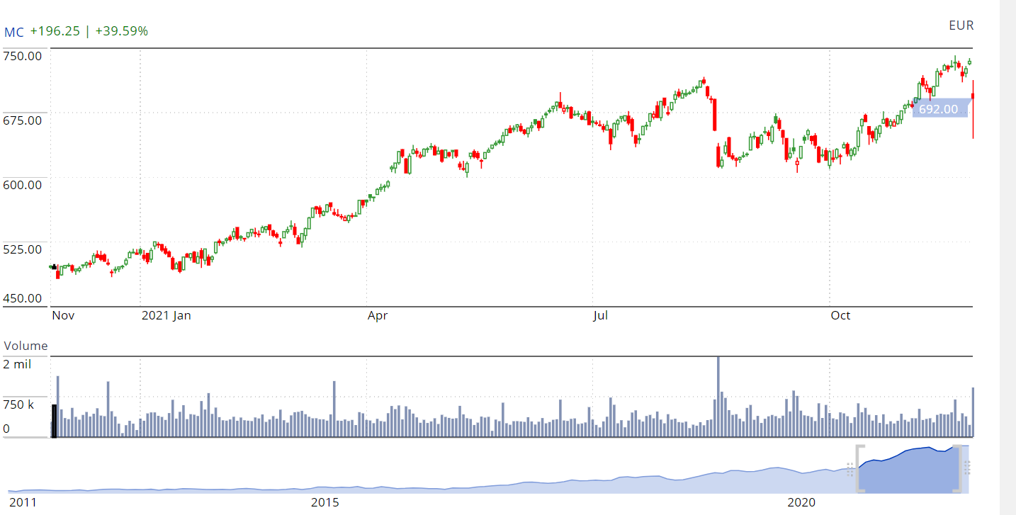

 |  | Deadline: | June 30, 2021 | December 31, 2020 | June 30, 2020 | December 31, 2019
 |  | Cycle length: | 6 months | 12 months | 6 months | 12 months
 |  | Cash from operating activities | 7722 | 10897 | 850 | 11648
 |  | Cash from investing activities | -13969 | -2939 | -1491 | -5869
 |  | Cash from financing activities | -6759 | 7403 | 9405 | -4734
 |  | Net changes in cash | -12891 | 14309 | 8795 | 1084
 |  | factor for investor | rate
 |  | Gross profit margin | 67.27%
 |  | Operating profit margin | 25.59%
 |  | The net interest rate | 18.18%
 |  | Return on investment | 12.04%

 |  |  | 2021/6/30/ | 2020-12-31 | 2020-06-30 | 2019/12/31/
 |  | debt and asset ratio | 0.65 | 0.66 | 0.65 | 0.62
 |  | equity multipiler EM | 2.83 | 2.90 | 2.89 | 2.64

 |  |  | 2018 | 2019 | 2020
 |  | Revenue | 5,143 | 5,576 | 4,755
 |  | Profit from recurring operations | 1,629 | 1,729 | 1,388
 |  | Operating investments | 298 | 325 | 320

Solvency index analysis Chart

LVMN CASH FLOW STATEMENT AND ANALYSIS

dashboard2
Market capability and competitor analysis
chart for rate of net income and gross profit and revenues |  | Competitor income analysis | company | Gross Profit | netincome | revenue
 |  |  | lvmn | $44,040,000,000.00 | $11,290,000,000.00 | $65,470,000,000.00
 |  |  | kering | $13,770,000,000.00 | $4,000,000,000.00 | $18,800,000,000.00
 |  |  | compagnie financier | $12,350,000,000.00 | $2,840,000,000.00 | $19,800,000,000.00
 |  |  | christian | $43,900,000,000.00 | $4,640,000,000.00 | $65,330,000,000.00
 |  |  | lagardere | $3,590,000,000.00 | $-487,550,000.00 | $5,280,000,000.00
 |  |  | interparfums | $328,680,000.00 | $80,310,000.00 | $589,280,000.00

 |  |  | company | stock price
 |  |  | lvmn | 823.04
 |  |  | kering | 805
 |  |  | compagnie financier | 150.56
 |  |  | christian | 804.33
 |  |  | lagardere | 26.33
 |  |  | interparfums | 76.07
 |  |  |  | employmee | growth rate
 |  |  | lvmn | 148343 | 1.67%
 |  |  | kering | 38553 | 0.11%
 |  |  | compagnie financier | 34760 | 0%
 |  |  | christian | 150479 | 0.54%
 |  |  | lagardere | 20935 | 2.12%
 |  |  | interparfums | 290 | 0.25%
Highlights |  |  |  | billion
 |  | enterprise value | lvmn | 414.89
 |  |  | kering | 116.84
 |  |  | compagnie financier | 59.29
 |  |  | christian | 197.14
 |  |  | lagardere | 8.23
 |  |  | interparfums | 3.47

patent technology | stock price

